Sheet1
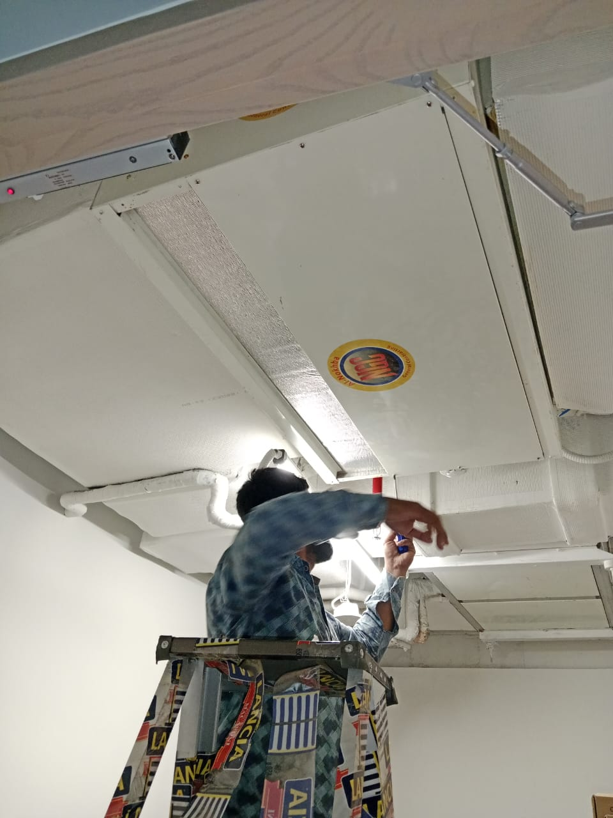
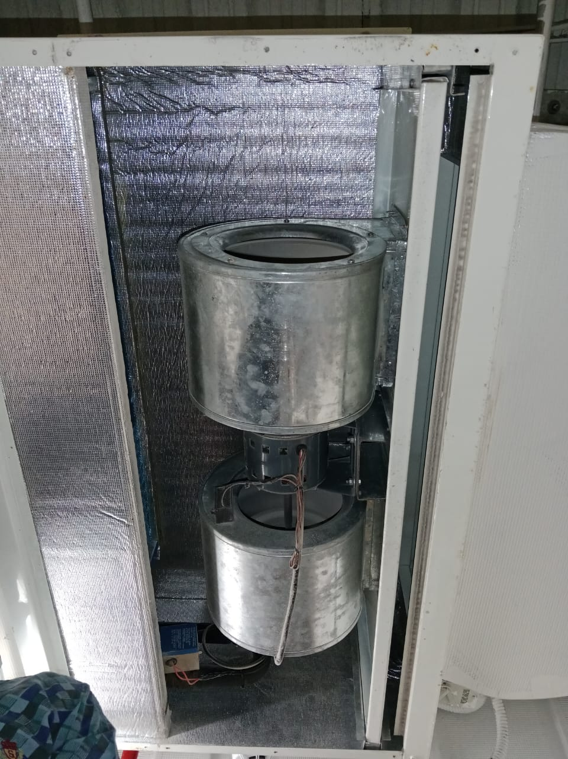
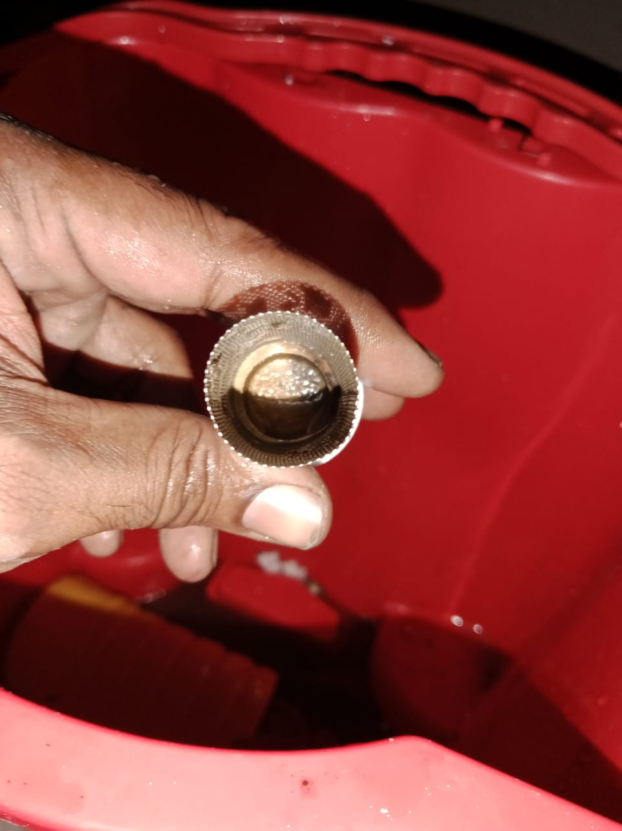
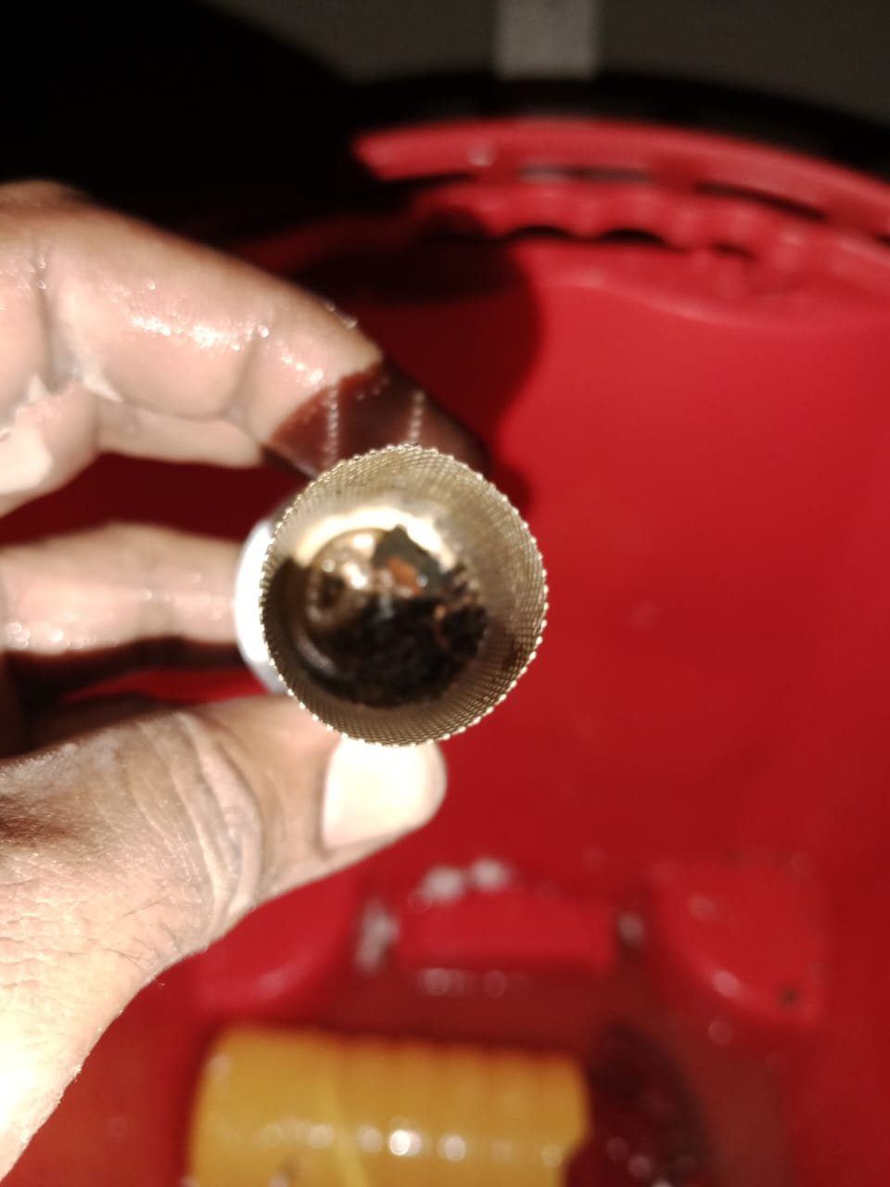
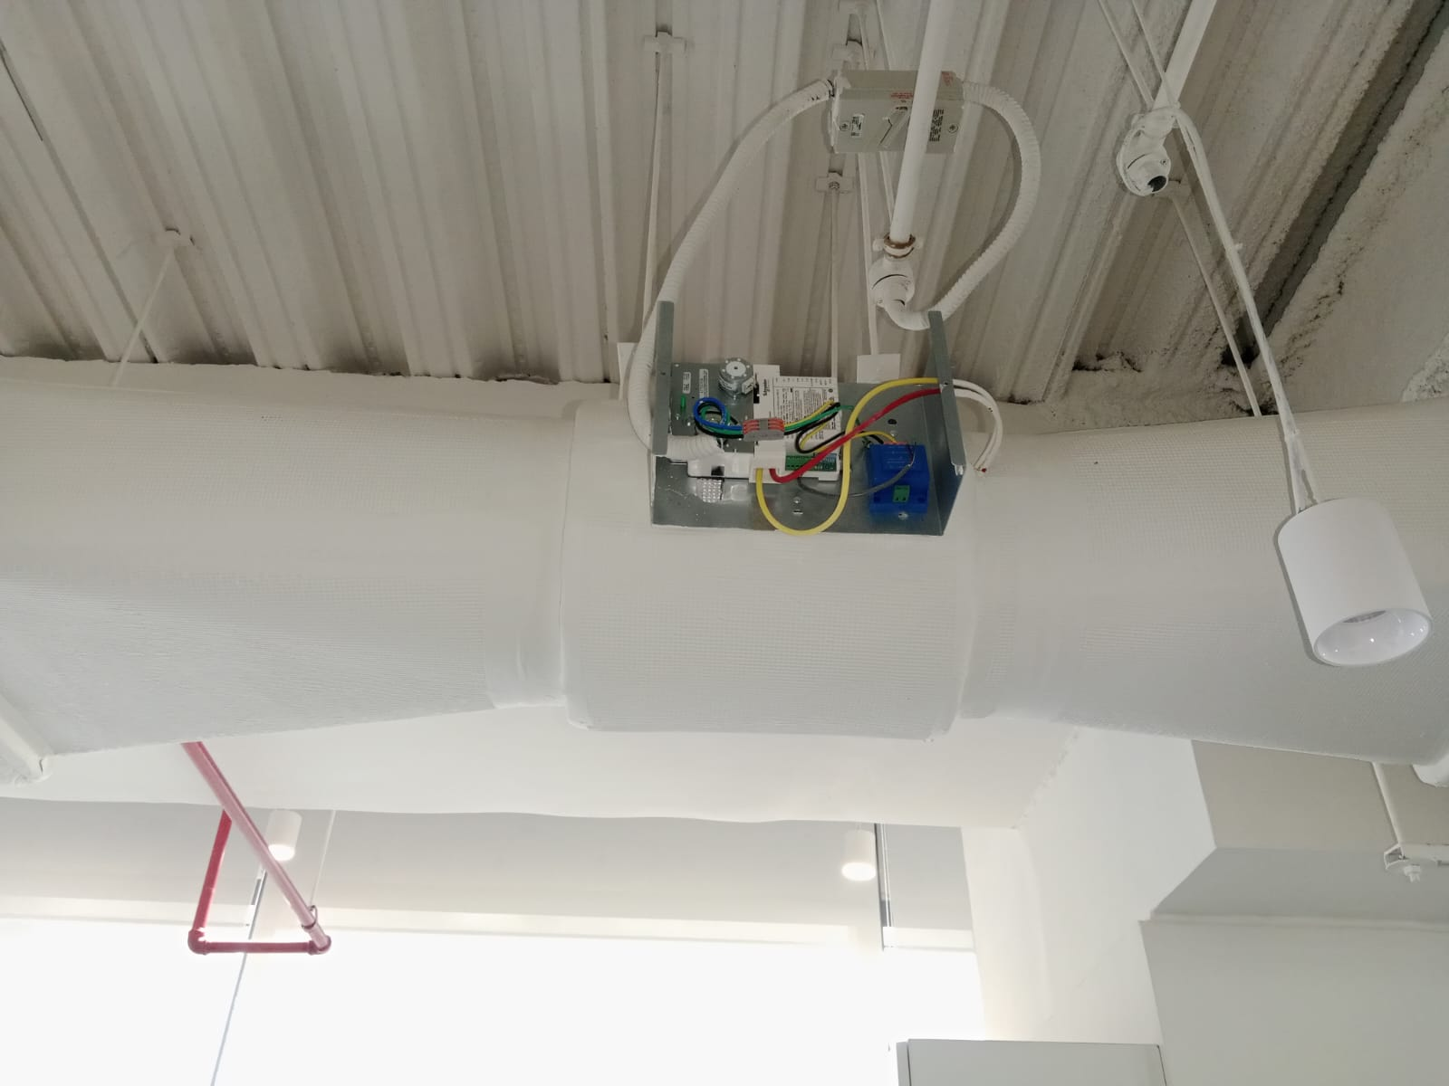
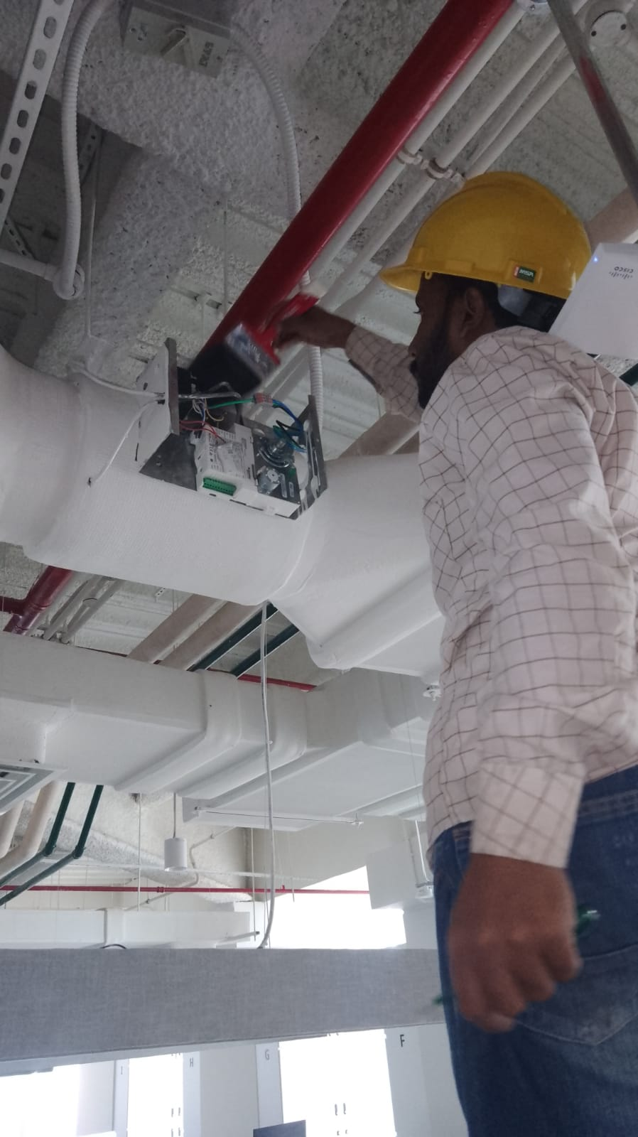
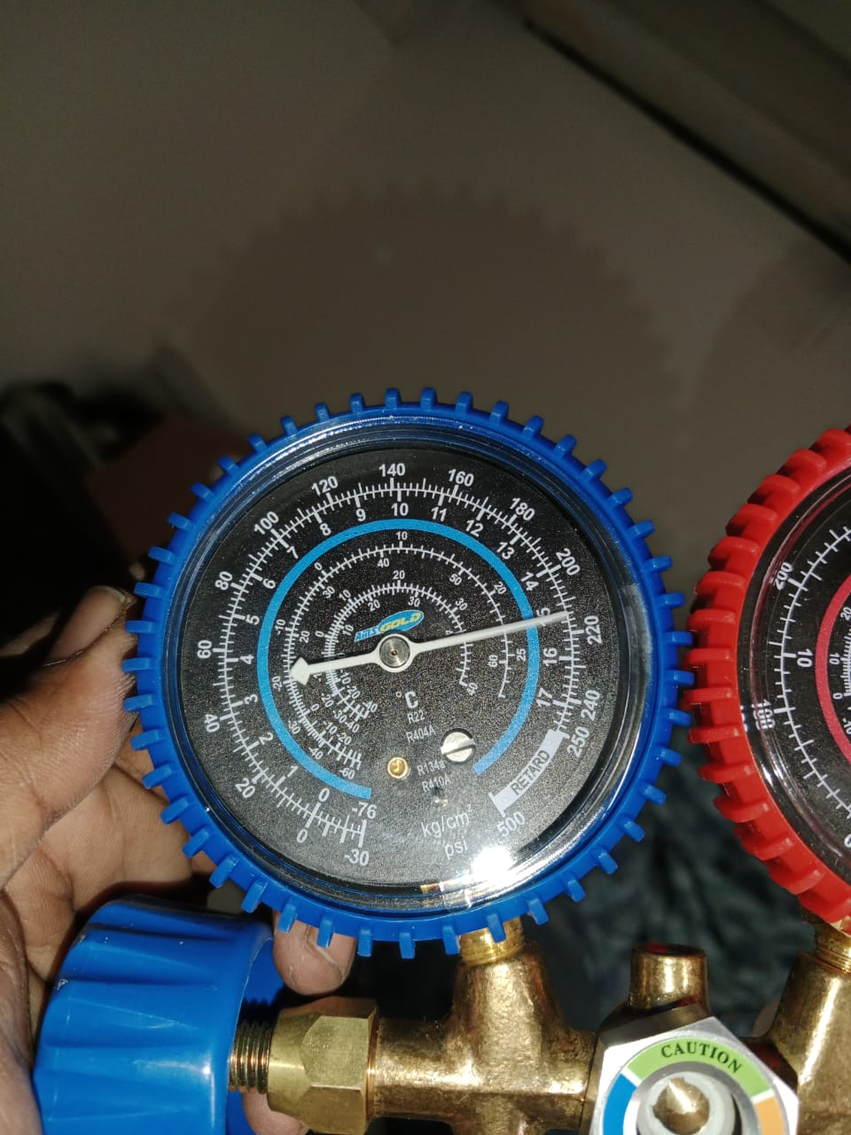
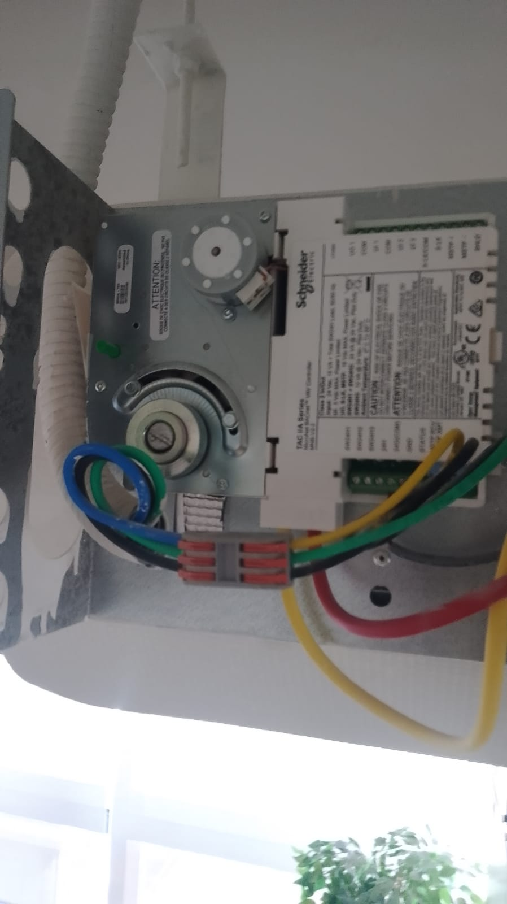


 |  |  | 24-Feb-25
SERVICE REPORT FOR MAINTENANCE OF FOLLOWING HVAC EQUIPMENT
(From January 25 to March 25)

 | Fan coil unit.

 | S. # | SERVICE DETAIL | STATUS | REMARKS
 | 1 | Cleaning or replacing filters | Cleaned | OK
 | 2 | Cleaning of Coils | Cleaned | OK
 | 3 | Check Motorized Valves | Mannually | Found By Passed actuator,
 | 4 | Check room temperature | 22 | OK
 | 5 | Check thermostat | 21 | OK
 | 6 | Cleaning of chilled water strainers | Cleaned | Found 25% Chocked
 | 7 | Lubricating fan motors | OK | Not Required
 | 8 | Checking for any abnormal noises. | OK | Ok
 | 10 | Check Current | ok | 1.5AMP

Water Cooled Package unit.

 | S. # | SERVICE DETAIL | STATUS | REMARKS
 | 1 | Checking refrigerant levels and inspecting for leaks. | OK | High pressure = 180PSI Low Pressure = 62PSI
 | 2 | Cleaning condenser and evaporator coils. | OK | Ok
 | 3 | Check motorized valve functioning properly | N/A | N/A
 | 4 | Check room temperature | 22 C | 22 C
 | 5 | Check thermostat | 22 Set | 22 Set
 | 6 | Cleaning of Condenser water strainers | Cleaned | Found 35% Chocked
 | 7 | Examining Water circulation systems | OK | Ok
 | 8 | Testing controls and safety features | Done | Ok
 | 9 | Check Current | OK | 5.6AMP

VALVES

 | S. # | SERVICE DETAIL | STATUS | REMARKS
 | 1 | Inspecting valve operations | Ok | All Ok
 | 2 | Checking for leaks and addressing any issues. | Satisfactory | No leakage Found
 | 3 | Lubricating valve stems or actuators as needed. | OK | N/A

CAVs & VAVs

 | S. # | SERVICE DETAIL | STATUS | REMARKS
 | 1 | Calibrating and testing airflow sensors and controllers. | Tested | OK
 | 2 | Inspecting and adjusting damper positions for proper air balancing. | Ok | OK
 | 3 | Ensuring proper operation of controls and actuators. | Done | OK
 | 4 | Check any damage, leaks, or wear on the VAV & CAV boxes. | Ok | OK
 | 5 | Ensure the area around the VAV & CAV is clear and unobstructed. | Satisfactory | Two VAVs are not accessible due to ceiling access pannel unavaliability.
 | 6 | Check and calibrate airflow sensors, pressure sensors, and controllers. | Done | OK
 | 7 | Test the VAVs' response to changes in setpoints and temperature variations. | Tested | OK
 | 8 | Verify damper movement and adjust if necessary for proper airflow | Satisfactory | OK
 | 9 | Inspect motors and actuators for signs of wear or malfunction. | Satisfactory | OK
 | 10 | Lubricate moving parts as recommended by the manufacturer. | Ok | OK
 | 11 | Check electrical connections and wiring for any issues | No issue found | OK
 | 12 | Evaluate the VAV & CAV control system | Done | OK
 | 13 | Verify that the control sequence operates correctly. | OK | OK
 | 14 | Check and verify the setpoints for temperature, airflow rates | Done | OK
 | 15 | Clean dust and debris from the VAV & CAV boxes, ductwork | Cleaned | OK
 | 16 | Ensure the dampers, sensors, and actuators are free from dirt and obstruction. | Satisfactory | OK

Air Devices (Diffusers, Grilles, Registers, etc.):

 | S. # | SERVICE DETAIL | STATUS | REMARKS
 | 1 | Clean and inspect air distribution outlets for obstructions. | Done | OK
 | 2 | Clean diffusers, grilles, registers, and associated components to remove dust. | Cleaned | OK
 | 3 | Use appropriate cleaning methods to avoid damaging the surfaces | OK | OK
 | 4 | Inspect and adjust dampers or vanes for proper positioning & airflow control. | Inspected | OK
 | 5 | Inspect seals and gaskets for any signs of wear or damage | Inspected | OK
 | 6 | Clear any obstructions or debris in the vicinity of air devices | Cleared | OK
 | 7 | Ensure proper airflows and adjust dampers if needed. | Done | OK
 | 8 | Verify correct functioning of airflow control devices. | Satisfactory | OK

 |  | Witnessed By:
 |  | NAME | _______________________________________________
 |  | Employee ID | _______________________________________________
 |  | Designation | _______________________________________________
 |  | Signature | _______________________________________________
 |  | Date | _______________________________________________
FCU

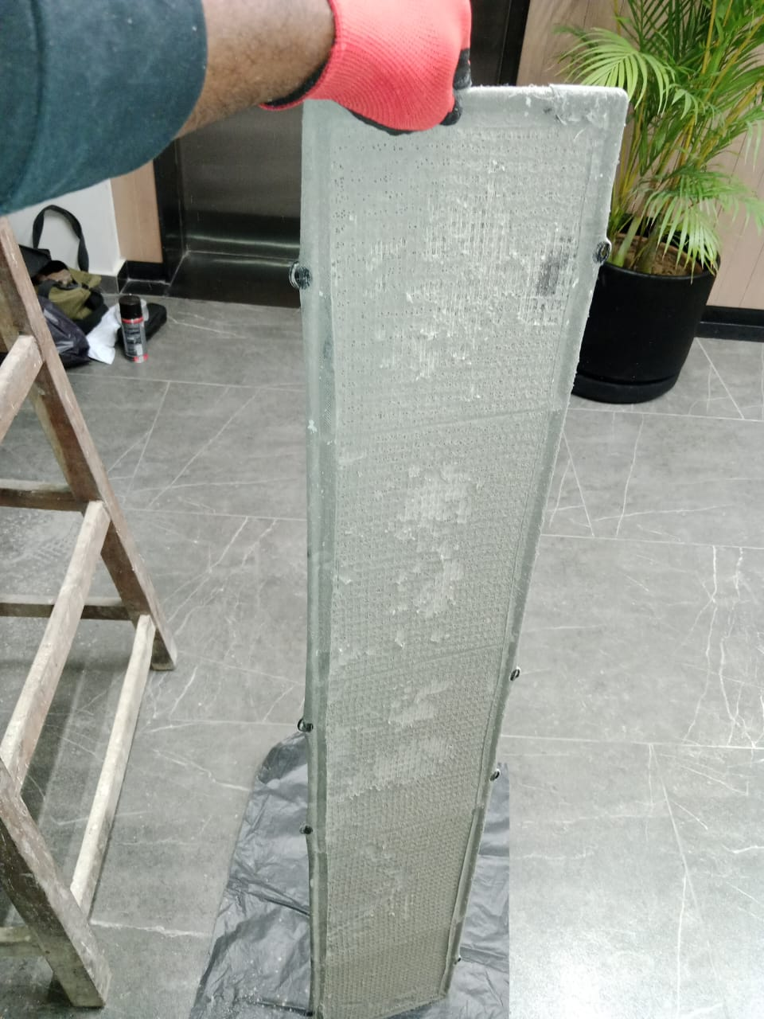
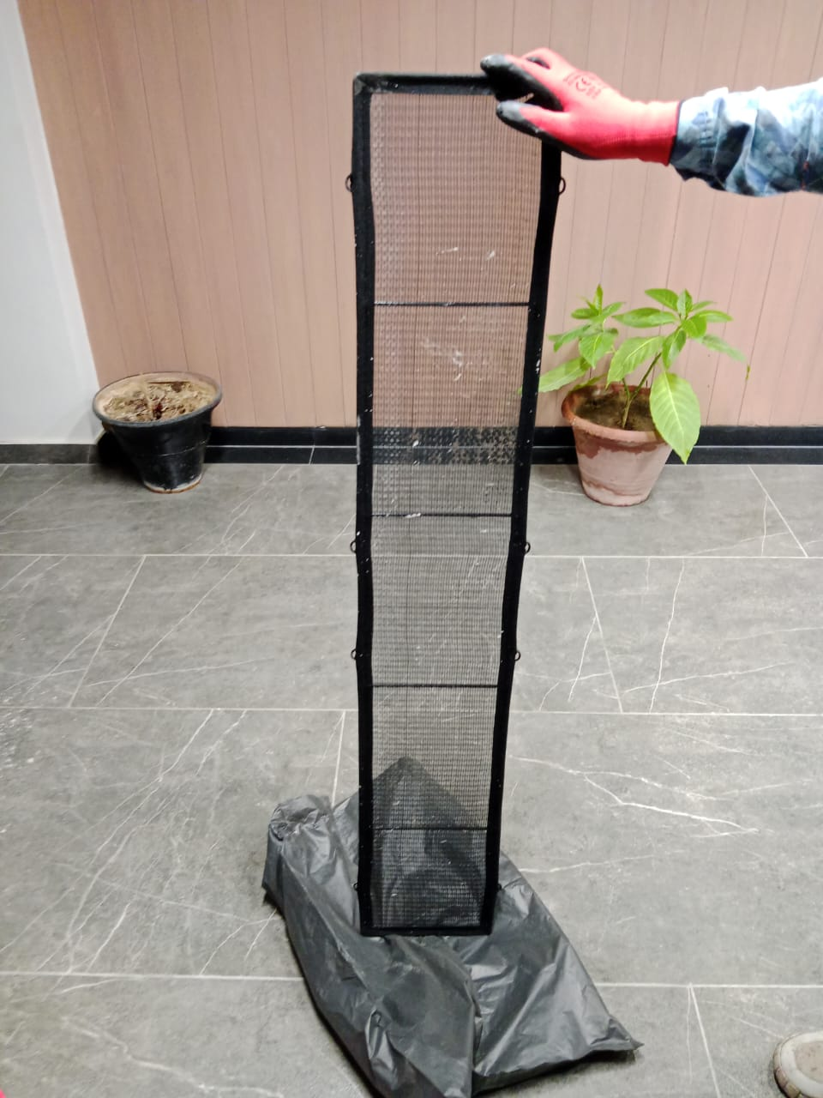

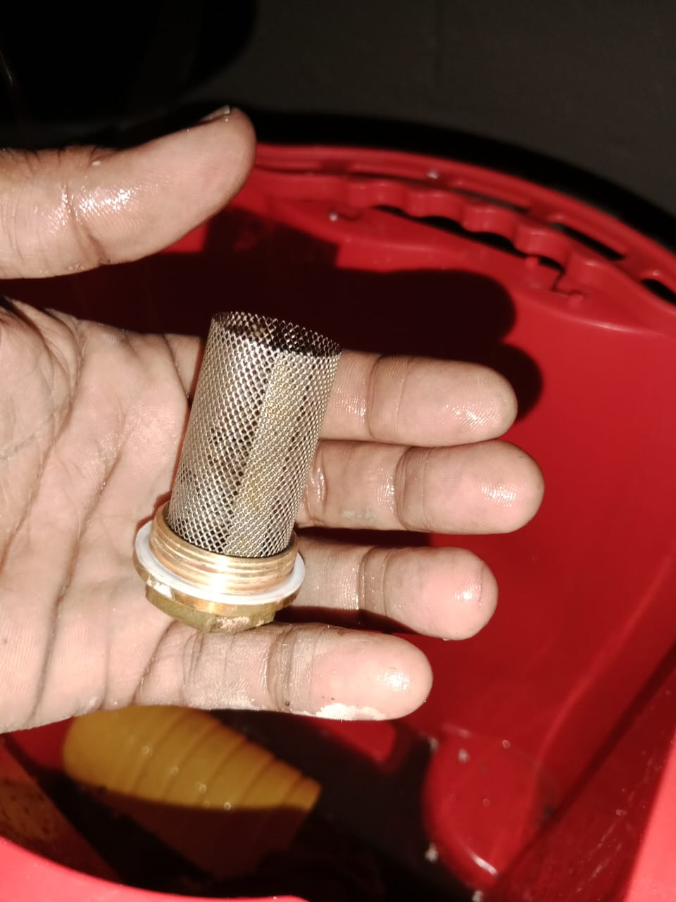
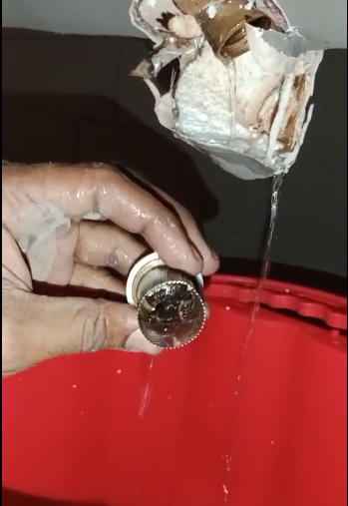

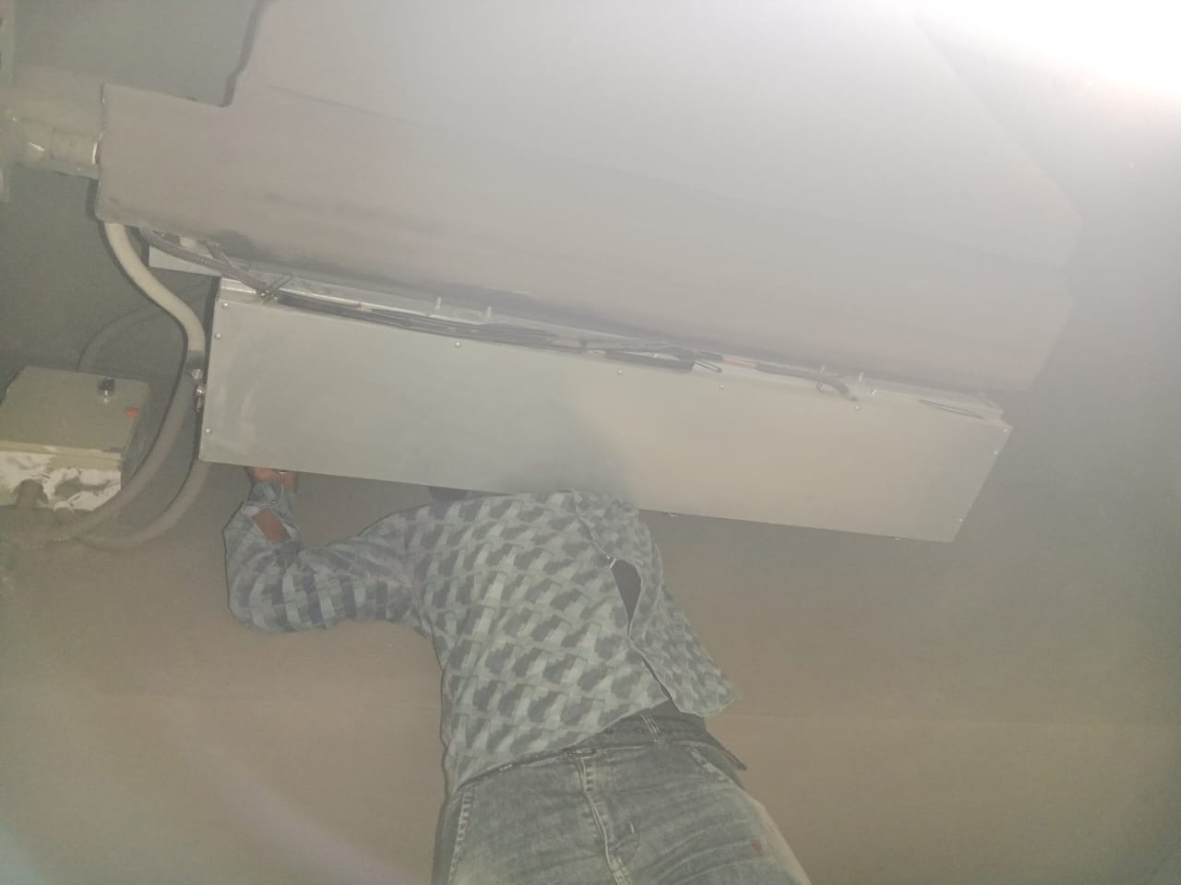
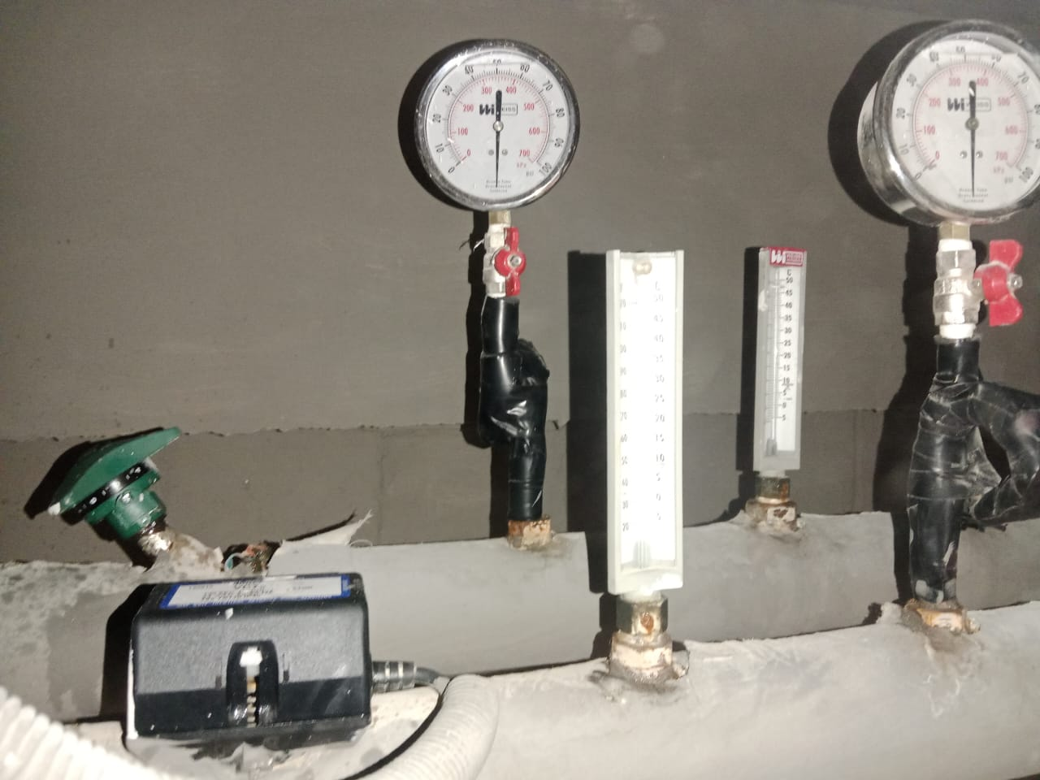

WCPU

